Cover
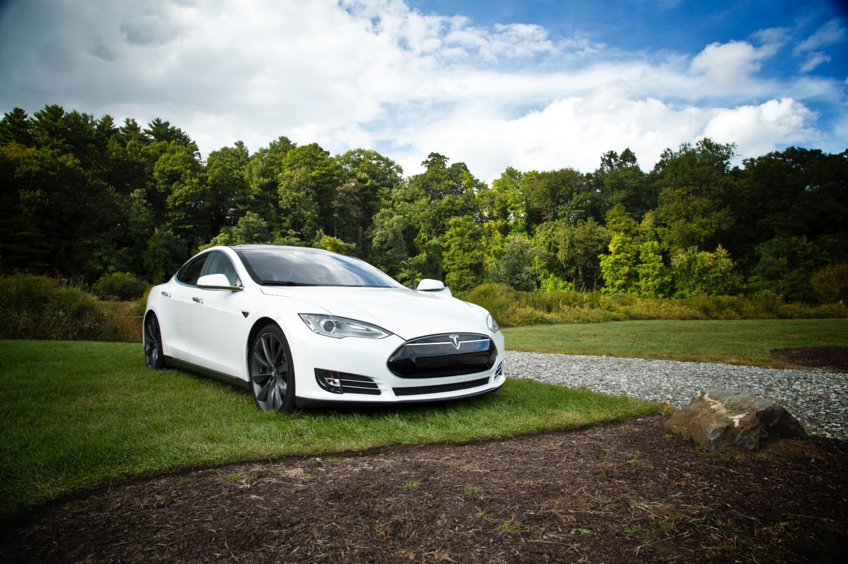

Tesla
Company analysis

Drivers
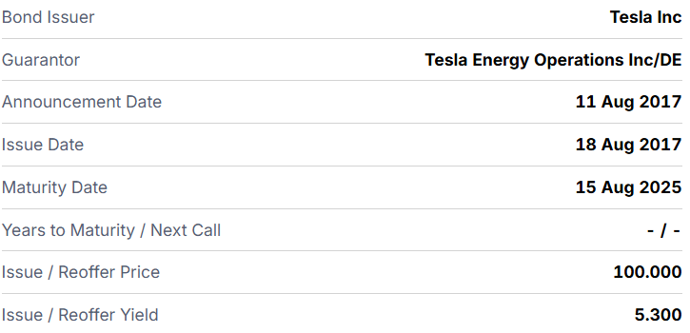
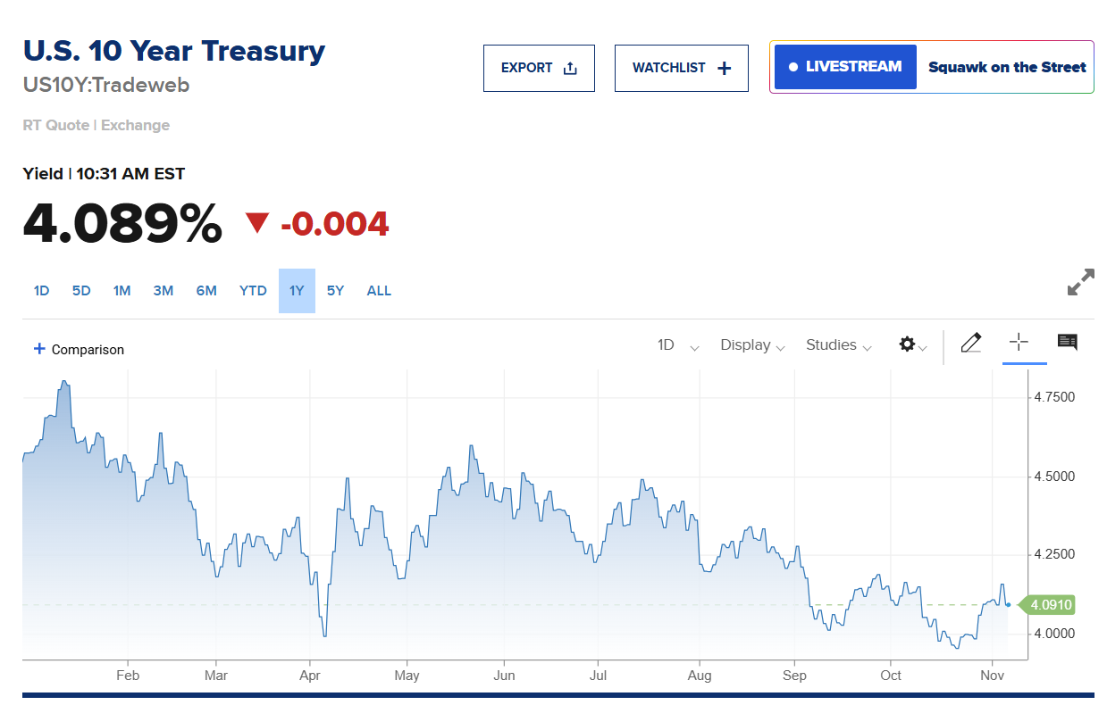
Drivers
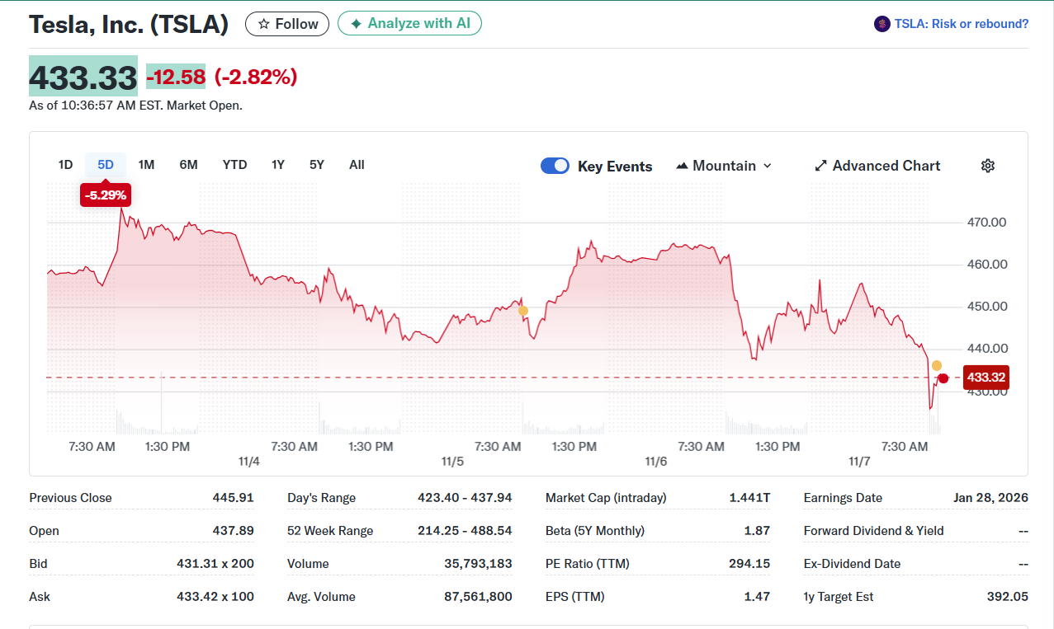
Selected Case: Best Case | 1
Company | Tesla, Inc.
Currency | USD
Domestic country | United States
10-year treasury yield (Nov 7 2025) | 4.09%
Market risk premium US | 5%
Company beta (Nov 7 2025) | 1.87
Tesla share price (Nov 7 2025) | 433.33
Bond Yield (Nov 7 2025) | 5.30%
Corporate tax rate | 21%
Expected inflation | 2%

Revenue & GP autom
Revenue and Gross Profit automotive

Vehicle | 2021 Act | 2022 Act | 2023 Act | 2024 Act | 2025 Fcst | 2026 Fcst | 2027 Fcst | 2028 Fcst | 2029 Fcst | 2030 Fcst | 2031 Fcst | 2032 Fcst | 2033 Fcst | 2034 Fcst
Revenue automotive | 47,232 | 71,462 | 82,419 | 77,070 | 78,439 | 82,360 | 86,479 | 90,802 | 95,343 | 100,110 | 105,115 | 110,371 | 115,889 | 121,684
Gross Profit automotive | 13,606 | 20,853 | 17,660 | 17,450 | 18,668 | 19,602 | 20,582 | 21,611 | 22,692 | 23,826 | 25,017 | 26,268 | 27,582 | 28,961
GP% | 29% | 29% | 21% | 23% | 24% | 24% | 24% | 24% | 24% | 24% | 24% | 24% | 24% | 24%

Revenue and Gross Profit automotive

